SCHEDA PRODOTTI
 | Listino Elettronico Supporti - Cavalletti - Invasi - Rack

 | Decorrenza 16-Marzo 2020
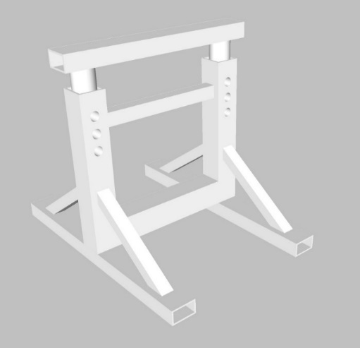 | CODICE CODE | DESCRIZIONE DESCRIPTION | ALTEZZA MIN MINIMUM HEIGHT | ALTEZZA MAX MAXIMUM HEIGHT | PORTATA CHIUSO WEIGHT LOAD CLOSE | PORTATA APERTO WEIGHT LOAD OPEN | QUANTITA' QUANTITY | PESO WEIGHT | PREZZO PRICE | PREZZO TOTALE TOT PRICE
 | SCR-61 | ADJUSTABLE SUPPORT | 800 | 1200 | 6 | 6 | 0 | 35.1 | € 115.82 | € 0.00
 | SCR-62 | ADJUSTABLE SUPPORT | 1000 | 1600 | 6 | 6 | 0 | 42.5 | € 140.29 | € 0.00
 | SCR-121 | ADJUSTABLE SUPPORT | 800 | 1200 | 12 | 12 | 0 | 42.2 | € 139.17 | € 0.00
 | SCR-122 | ADJUSTABLE SUPPORT | 1000 | 1600 | 12 | 12 | 0 | 51.9 | € 171.43 | € 0.00
 | SCR-201 | ADJUSTABLE SUPPORT | 800 | 1200 | 20 | 20 | 0 | 43.6 | € 143.78 | € 0.00
 | SCR-202 | ADJUSTABLE SUPPORT | 1000 | 1600 | 20 | 20 | 0 | 53.7 | € 177.24 | € 0.00
 | SCR-203 | ADJUSTABLE SUPPORT | 1600 | 2400 | 20 | 20 | 0 | 78.8 | € 260.12 | € 0.00
 | SCR-401 | ADJUSTABLE SUPPORT | 800 | 1200 | 40 | 40 | 0 | 68.2 | € 225.16 | € 0.00
 | SCR-402 | ADJUSTABLE SUPPORT | 1000 | 1600 | 40 | 40 | 0 | 84.9 | € 280.02 | € 0.00
 | SCR-403 | ADJUSTABLE SUPPORT | 1600 | 2400 | 40 | 40 | 0 | 124.6 | € 411.12 | € 0.00
 | SCR-601 | ADJUSTABLE SUPPORT | 900 | 1200 | 60 | 60 | 0 | 92.2 | € 304.23 | € 0.00
 | SCR-602 | ADJUSTABLE SUPPORT | 1000 | 1500 | 60 | 60 | 0 | 106.9 | € 352.78 | € 0.00
 | SCR-1001 | ADJUSTABLE SUPPORT | 900 | 1200 | 100 | 100 | 0 | 123.3 | € 406.96 | € 0.00
 | SCR-1002 | ADJUSTABLE SUPPORT | 1000 | 1500 | 100 | 100 | 0 | 143.5 | € 473.40 | € 0.00
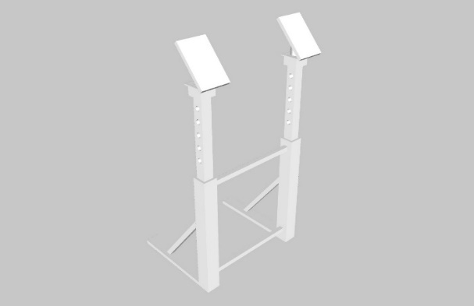 | CODICE CODE | DESCRIZIONE DESCRIPTION | ALTEZZA MIN MINIMUM HEIGHT | ALTEZZA MAX MAXIMUM HEIGHT | PORTATA CHIUSO WEIGHT LOAD CLOSE | PORTATA APERTO WEIGHT LOAD OPEN | QUANTITA' QUANTITY | PESO WEIGHT | PREZZO PRICE | PREZZO TOTALE TOT PRICE
 | SVD-51 | VERTICAL DOUBLE SUPPORT | 1000 | 1500 | 5 | 5 | 0 | 31.2 | € 102.97 | € 0.00
 | SVD-52 | VERTICAL DOUBLE SUPPORT | 1200 | 1800 | 5 | 5 | 0 | 36.3 | € 119.91 | € 0.00
 | SVD-101 | VERTICAL DOUBLE SUPPORT | 1000 | 1500 | 10 | 10 | 0 | 35.8 | € 118.26 | € 0.00
 | SVD-102 | VERTICAL DOUBLE SUPPORT | 1200 | 1800 | 10 | 10 | 0 | 41.9 | € 138.26 | € 0.00
 | SVD-151 | VERTICAL DOUBLE SUPPORT | 1200 | 1800 | 15 | 15 | 0 | 47.0 | € 154.94 | € 0.00
 | SVD-152 | VERTICAL DOUBLE SUPPORT | 1600 | 2500 | 15 | 15 | 0 | 62.1 | € 204.81 | € 0.00
 | SVD-201 | VERTICAL DOUBLE SUPPORT | 1200 | 1800 | 20 | 20 | 0 | 49.0 | € 161.85 | € 0.00
 | SVD-202 | VERTICAL DOUBLE SUPPORT | 1600 | 2500 | 20 | 20 | 0 | 64.9 | € 214.08 | € 0.00
 | SVD-301 | VERTICAL DOUBLE SUPPORT | 1200 | 1800 | 30 | 30 | 0 | 79.0 | € 260.85 | € 0.00
 | SVD-302 | VERTICAL DOUBLE SUPPORT | 1600 | 2500 | 30 | 30 | 0 | 105.3 | € 347.46 | € 0.00
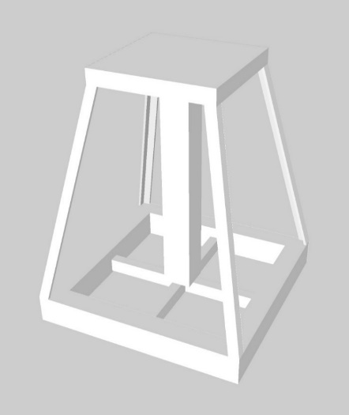 | CODICE CODE | DESCRIZIONE DESCRIPTION | ALTEZZA MIN MINIMUM HEIGHT | ALTEZZA MAX MAXIMUM HEIGHT | PORTATA CHIUSO WEIGHT LOAD CLOSE | PORTATA APERTO WEIGHT LOAD OPEN | QUANTITA' QUANTITY | PESO WEIGHT | PREZZO PRICE | PREZZO TOTALE TOT PRICE
 | SCF-51 | FIXED SUPPORT | 400 | 400 | 5 | 5 | 0 | 11.8 | € 38.93 | € 0.00
 | SCF-52 | FIXED SUPPORT | 500 | 500 | 5 | 5 | 0 | 14.7 | € 48.67 | € 0.00
 | SCF-53 | FIXED SUPPORT | 600 | 600 | 5 | 5 | 0 | 17.7 | € 58.40 | € 0.00
 | SCF-54 | FIXED SUPPORT | 700 | 700 | 5 | 5 | 0 | 20.6 | € 68.13 | € 0.00
 | SCF-55 | FIXED SUPPORT | 800 | 800 | 5 | 5 | 0 | 23.6 | € 77.86 | € 0.00
 | SCF-56 | FIXED SUPPORT | 900 | 900 | 5 | 5 | 0 | 26.5 | € 87.60 | € 0.00
 | SCF-57 | FIXED SUPPORT | 1000 | 1000 | 5 | 5 | 0 | 29.5 | € 97.33 | € 0.00
 | SCF-151 | FIXED SUPPORT | 400 | 400 | 15 | 15 | 0 | 12.3 | € 40.50 | € 0.00
 | SCF-152 | FIXED SUPPORT | 500 | 500 | 15 | 15 | 0 | 15.3 | € 50.63 | € 0.00
 | SCF-153 | FIXED SUPPORT | 600 | 600 | 15 | 15 | 0 | 18.4 | € 60.75 | € 0.00
 | SCF-154 | FIXED SUPPORT | 700 | 700 | 15 | 15 | 0 | 21.5 | € 70.88 | € 0.00
 | SCF-155 | FIXED SUPPORT | 800 | 800 | 15 | 15 | 0 | 24.5 | € 81.00 | € 0.00
 | SCF-156 | FIXED SUPPORT | 900 | 900 | 15 | 15 | 0 | 27.6 | € 91.13 | € 0.00
 | SCF-157 | FIXED SUPPORT | 1000 | 1000 | 15 | 15 | 0 | 30.7 | € 101.25 | € 0.00
 | SCF-158 | FIXED SUPPORT | 1200 | 1200 | 15 | 15 | 0 | 36.8 | € 121.50 | € 0.00
 | SCF-201 | FIXED SUPPORT | 1000 | 1000 | 20 | 20 | 0 | 43.2 | € 142.61 | € 0.00
 | SCF-202 | FIXED SUPPORT | 1500 | 1500 | 20 | 20 | 0 | 64.8 | € 213.91 | € 0.00
 | SCF-203 | FIXED SUPPORT | 2000 | 2000 | 20 | 20 | 0 | 86.4 | € 285.22 | € 0.00
 | SCF-204 | FIXED SUPPORT | 3000 | 3000 | 20 | 20 | 0 | 129.6 | € 427.82 | € 0.00
 | SCF-301 | FIXED SUPPORT | 1000 | 1000 | 30 | 30 | 0 | 43.3 | € 142.81 | € 0.00
 | SCF-302 | FIXED SUPPORT | 1500 | 1500 | 30 | 30 | 0 | 64.9 | € 214.21 | € 0.00
 | SCF-303 | FIXED SUPPORT | 2000 | 2000 | 30 | 30 | 0 | 86.5 | € 285.61 | € 0.00
 | SCF-304 | FIXED SUPPORT | 3000 | 3000 | 30 | 30 | 0 | 129.8 | € 428.42 | € 0.00
 | SCF-501 | FIXED SUPPORT | 1000 | 1000 | 50 | 50 | 0 | 50.8 | € 167.66 | € 0.00
 | SCF-502 | FIXED SUPPORT | 1500 | 1500 | 50 | 50 | 0 | 76.2 | € 251.49 | € 0.00
 | SCF-503 | FIXED SUPPORT | 2000 | 2000 | 50 | 50 | 0 | 101.6 | € 335.32 | € 0.00
 | SCF-504 | FIXED SUPPORT | 3000 | 3000 | 50 | 50 | 0 | 152.4 | € 502.98 | € 0.00
 | SCF-1001 | FIXED SUPPORT | 1000 | 1000 | 100 | 100 | 0 | 79.4 | € 262.11 | € 0.00
 | SCF-1002 | FIXED SUPPORT | 1500 | 1500 | 100 | 100 | 0 | 119.1 | € 393.17 | € 0.00
 | SCF-1003 | FIXED SUPPORT | 2000 | 2000 | 100 | 100 | 0 | 158.9 | € 524.22 | € 0.00
 | SCF-1004 | FIXED SUPPORT | 3000 | 3000 | 100 | 100 | 0 | 268.1 | € 884.63 | € 0.00
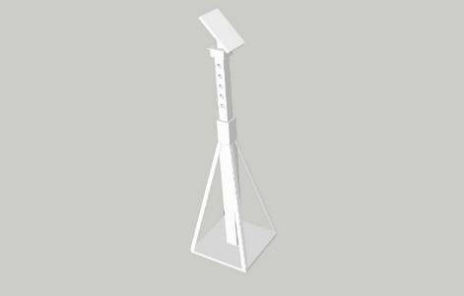 | CODICE CODE | DESCRIZIONE DESCRIPTION | ALTEZZA MIN MINIMUM HEIGHT | ALTEZZA MAX MAXIMUM HEIGHT | PORTATA CHIUSO WEIGHT LOAD CLOSE | PORTATA APERTO WEIGHT LOAD OPEN | QUANTITA' QUANTITY | PESO WEIGHT | PREZZO PRICE | PREZZO TOTALE TOT PRICE
 | SV-31 | VERTICAL SUPPORT | 1000 | 1500 | 5 | 3 | 0 | 43.0 | € 141.78 | € 0.00
 | SV-32 | VERTICAL SUPPORT | 1200 | 1800 | 5 | 3 | 0 | 50.4 | € 166.48 | € 0.00
 | SV-61 | VERTICAL SUPPORT | 1000 | 1500 | 10 | 6 | 0 | 60.5 | € 199.59 | € 0.00
 | SV-62 | VERTICAL SUPPORT | 1200 | 1800 | 10 | 6 | 0 | 71.0 | € 234.28 | € 0.00
 | SV-101 | VERTICAL SUPPORT | 1000 | 1500 | 15 | 10 | 0 | 60.1 | € 198.31 | € 0.00
 | SV-102 | VERTICAL SUPPORT | 1200 | 1800 | 15 | 10 | 0 | 70.5 | € 232.75 | € 0.00
 | SV-201 | VERTICAL SUPPORT | 1000 | 1500 | 30 | 20 | 0 | 99.4 | € 328.06 | € 0.00
 | SV-202 | VERTICAL SUPPORT | 1200 | 1800 | 30 | 20 | 0 | 117.3 | € 386.94 | € 0.00
 | SV-301 | VERTICAL SUPPORT | 1000 | 1500 | 50 | 30 | 0 | 112.0 | € 369.68 | € 0.00
 | SV-302 | VERTICAL SUPPORT | 1200 | 1800 | 50 | 30 | 0 | 131.9 | € 435.40 | € 0.00

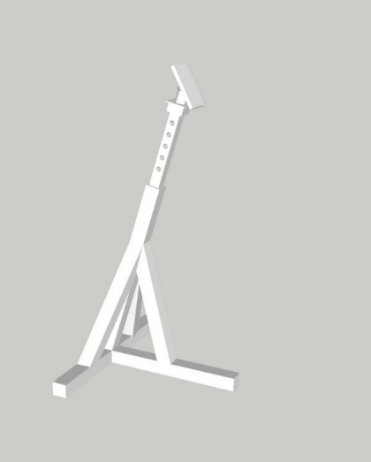 | CODICE CODE | DESCRIZIONE DESCRIPTION | ALTEZZA MIN MINIMUM HEIGHT | ALTEZZA MAX MAXIMUM HEIGHT | PORTATA CHIUSO WEIGHT LOAD CLOSE | PORTATA APERTO WEIGHT LOAD OPEN | QUANTITA' QUANTITY | PESO WEIGHT | PREZZO PRICE | PREZZO TOTALE TOT PRICE
 | IFS-31 | INCLINED SUPPORT | 1000 | 1500 | 5 | 3 | 0 | 45.7 | € 150.93 | € 0.00
 | IFS-32 | INCLINED SUPPORT | 1200 | 1800 | 5 | 3 | 0 | 53.2 | € 175.63 | € 0.00
 | IFS-61 | INCLINED SUPPORT | 1000 | 1500 | 10 | 6 | 0 | 64.4 | € 212.66 | € 0.00
 | IFS-62 | INCLINED SUPPORT | 1200 | 1800 | 10 | 6 | 0 | 75.0 | € 247.35 | € 0.00
 | IFS-101 | INCLINED SUPPORT | 1000 | 1500 | 15 | 10 | 0 | 64.1 | € 211.38 | € 0.00
 | IFS-102 | INCLINED SUPPORT | 1200 | 1800 | 15 | 10 | 0 | 74.5 | € 245.82 | € 0.00
 | IFS-201 | INCLINED SUPPORT | 1000 | 1500 | 30 | 20 | 0 | 104.5 | € 344.89 | € 0.00
 | IFS-202 | INCLINED SUPPORT | 1200 | 1800 | 30 | 20 | 0 | 122.4 | € 403.77 | € 0.00
 | IFS-203 | INCLINED SUPPORT | 2000 | 3200 | 30 | 20 | 0 | 197.3 | € 650.96 | € 0.00
 | IFS-204 | INCLINED SUPPORT | 2400 | 3600 | 30 | 20 | 0 | 267.5 | € 882.78 | € 0.00
 | IFS-301 | INCLINED SUPPORT | 1000 | 1500 | 50 | 30 | 0 | 118.3 | € 390.23 | € 0.00
 | IFS-302 | INCLINED SUPPORT | 1200 | 1800 | 50 | 30 | 0 | 138.2 | € 455.95 | € 0.00
 | IFS-303 | INCLINED SUPPORT | 2000 | 3200 | 50 | 30 | 0 | 311.9 | € 1,029.11 | € 0.00
 | IFS-304 | INCLINED SUPPORT | 2400 | 3600 | 50 | 30 | 0 | 399.3 | € 1,317.54 | € 0.00
 | IFS-305 | INCLINED SUPPORT | 2500 | 4300 | 50 | 30 | 0 | 430.9 | € 1,421.92 | € 0.00
 | IFS-306 | INCLINED SUPPORT | 4500 | 5600 | 50 | 30 | 0 | 732.2 | € 2,416.30 | € 0.00

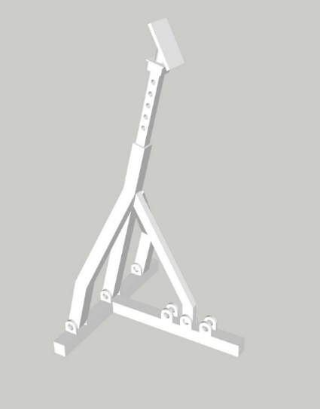 | CODICE CODE | DESCRIZIONE DESCRIPTION | ALTEZZA MIN MINIMUM HEIGHT | ALTEZZA MAX MAXIMUM HEIGHT | PORTATA CHIUSO WEIGHT LOAD CLOSE | PORTATA APERTO WEIGHT LOAD OPEN | QUANTITA' QUANTITY | PESO WEIGHT | PREZZO PRICE | PREZZO TOTALE TOT PRICE
 | IFSV-31 | INCLINED VARIABLE SUPPORT | 1000 | 1500 | 3 | 5 | 0 | 49.5 | € 163.51 | € 0.00
 | IFSV-32 | INCLINED VARIABLE SUPPORT | 1200 | 1800 | 3 | 5 | 0 | 57.7 | € 190.26 | € 0.00
 | IFSV-61 | INCLINED VARIABLE SUPPORT | 1000 | 1500 | 6 | 10 | 0 | 69.8 | € 230.38 | € 0.00
 | IFSV-62 | INCLINED VARIABLE SUPPORT | 1200 | 1800 | 6 | 10 | 0 | 81.2 | € 267.96 | € 0.00
 | IFSV-101 | INCLINED VARIABLE SUPPORT | 1000 | 1500 | 10 | 15 | 0 | 69.4 | € 229.00 | € 0.00
 | IFSV-102 | INCLINED VARIABLE SUPPORT | 1200 | 1800 | 10 | 15 | 0 | 80.7 | € 266.30 | € 0.00
 | IFSV-201 | INCLINED VARIABLE SUPPORT | 1000 | 1500 | 20 | 30 | 0 | 113.2 | € 373.63 | € 0.00
 | IFSV-202 | INCLINED VARIABLE SUPPORT | 1200 | 1800 | 20 | 30 | 0 | 132.6 | € 437.42 | € 0.00
 | IFSV-203 | INCLINED VARIABLE SUPPORT | 2000 | 3200 | 20 | 30 | 0 | 213.7 | € 705.20 | € 0.00
 | IFSV-204 | INCLINED VARIABLE SUPPORT | 2400 | 3600 | 20 | 30 | 0 | 289.8 | € 956.34 | € 0.00
 | IFSV-301 | INCLINED VARIABLE SUPPORT | 1000 | 1500 | 30 | 50 | 0 | 128.1 | € 422.75 | € 0.00
 | IFSV-302 | INCLINED VARIABLE SUPPORT | 1200 | 1800 | 30 | 50 | 0 | 149.7 | € 493.94 | € 0.00
 | IFSV-303 | INCLINED VARIABLE SUPPORT | 2000 | 3200 | 30 | 50 | 0 | 337.8 | € 1,114.87 | € 0.00
 | IFSV-304 | INCLINED VARIABLE SUPPORT | 2400 | 3600 | 30 | 50 | 0 | 432.5 | € 1,427.33 | € 0.00
 | IFSV-305 | INCLINED VARIABLE SUPPORT | 2500 | 4300 | 30 | 50 | 0 | 466.8 | € 1,540.41 | € 0.00
 | IFSV-306 | INCLINED VARIABLE SUPPORT | 4500 | 5600 | 30 | 50 | 0 | 793.2 | € 2,617.66 | € 0.00

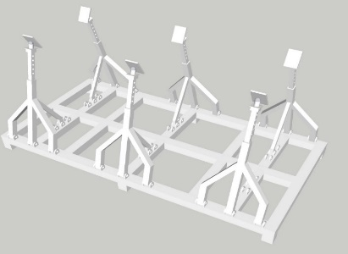 | CODICE CODE | DESCRIZIONE DESCRIPTION | LUNGHEZZA LENGHT | LARGHEZZA WIDTH | PORTATA LOAD |  | QUANTITA' QUANTITY | PESO WEIGHT | PREZZO PRICE | PREZZO TOTALE TOT PRICE
 | SB1 | SAILING BOAT CRADLE | 4100 | 2500 | 15 |  | 0 | 741.0 | € 2,445.30 | € 0.00
 | SB2 | SAILING BOAT CRADLE | 6500 | 2000 | 18 |  | 0 | 825.0 | € 2,722.50 | € 0.00
 | SB3 | SAILING BOAT CRADLE | 6500 | 2500 | 30 |  | 0 | 892.0 | € 2,943.60 | € 0.00
 | SB4 | SAILING BOAT CRADLE | 10000 | 6000 | 50 |  | 0 | 2268.0 | € 7,484.40 | € 0.00

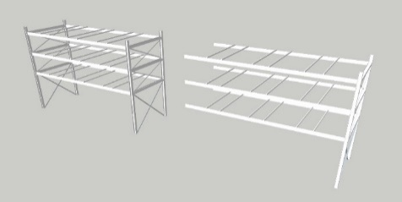 | CODICE CODE | DESCRIZIONE DESCRIPTION | LUNGHEZZA LENGHT | LARGHEZZA WIDTH | PORTATA LOAD |  | QUANTITA' QUANTITY | PESO WEIGHT | PREZZO PRICE | PREZZO TOTALE TOT PRICE
 | RACK1 | RACK 1 MODULO | 4500 | 4000 | 2,5 TON A RIPIANO |  | 0 | 1458.2 | € 4,812.06 | € 0.00
 | RACK2 | RACK MODULI SUCCESSIVI | 4500 | 4000 | 2,5 TON A RIPIANO |  | 0 | 1100.8 | € 3,632.64 | € 0.00

 |  |  |  |  |  | Totale imponibile ordine |  |  | 0.00
 |  |  |  |  |  | totale Iva 22% |  |  | 0.00
 |  |  |  |  |  | Totale IVA compresa |  |  | 0.00

Condizioni di vendita: | scaricabili su www.yachtgarage.com
Porto: | porto franco per odini superiori a 15,000€
Validità: | euro -usd 1,12
Pagamento | 30% acconto all'orine - 20% a merce pronta - saldo al collaudo

